Occupation-specific data
Transit Ridership by Specific Occupations of Essential Workers

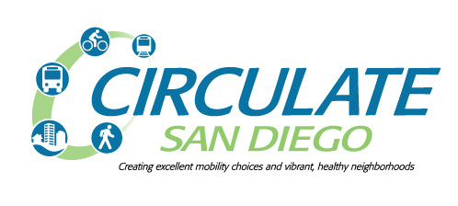

Occupation | Total San Diego-Carlsbad MSA residents reporting a commute mode | Total San Diego-Carlsbad MSA residents commuting by transit (bus, rail, or ferry) | San Diego-Carlsbad MSA transit modal share for occupation
Cardiovascular technologists and technicians (OMB code 3321) | 1344 | 171 | 12.72%
Food preparation workers (4030) | 17691 | 2085 | 11.79%
Janitors and building cleaners (4220) | 36341 | 2350 | 6.47%
Highway maintenance workers (6730) | 377 | 117 | 31.03%

All workers (essential and non-essential) | 1605804 | 45252 | 2.82%

